house typedamage



 | Name | Dwelling Type | Photo example (of dwelling type) | Damage Type | Category
1 | HUT | 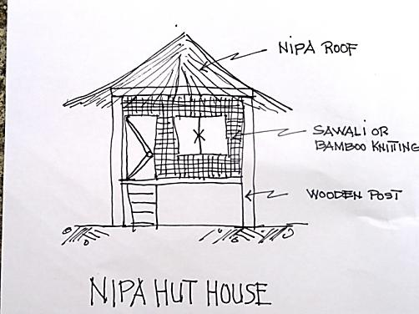 |  | 1. Collapsed totally | Totally
 |  |  |  | 2. Building Tilting sideways (right or left) | major
 |  |  |  | 3. Wooden Posts/beams bent/cracked/ dislocated | major
 |  |  |  | 4. Walls missing/damaged | major
 |  |  |  | 5. Roof missing/damaged | major
 |  |  |  | 6. Doors and windows damaged | partially
 |  |  |  | 7. Floors – collapsed/broken | Partially
 |  |  |  | 8. Stairs / collapsed/missing | partially
 |  |  |  | 9. Foundation off line from wooden posts | major
2 | Timber Frame | 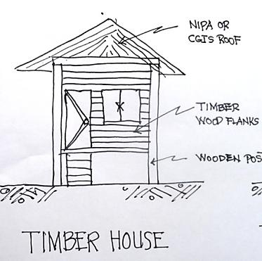 |  | 1. Collapsed totally | Totally
 |  |  |  | 2. Building Tilting sideways (right or left) | major
 |  |  |  | 3. Wooden Posts/beams damaged - dislocated | major
 |  |  |  | 4. Walls missing/damaged | major
 |  |  |  | 5. Roof missing/damaged | major
 |  |  |  | 6. Doors and windows damaged | partially
 |  |  |  | 7. Stairs / collapsed/missing | partially
 |  |  |  | 8. Foundation off line from wooden posts | major
3 | Timber and Concrete (one storey) | 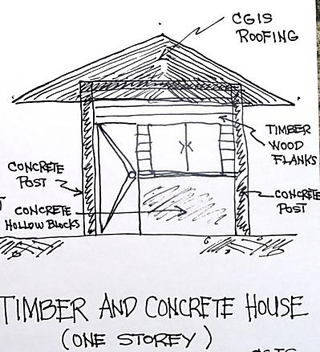 |  | 1. Collapsed totally | Totally
 |  |  |  | 2. Tilting sideways (right or left) | major
 |  |  |  | 3. Concrete columns/beams damaged/bent/cracks/tilt | major
 |  |  |  | 4. Timber Walls/dislocated/broken/missing | major
 |  |  |  | 5. Concrete Hollow Block work /collapsed/tilt/cracks | major
 |  |  |  | 6. Roof damaged/missing | major
 |  |  |  | 7. Doors and windows damaged | partially
 |  |  |  | 8.Plaster/damaged/cracks/removed | partially
4 | Concrete House (one Storey) | 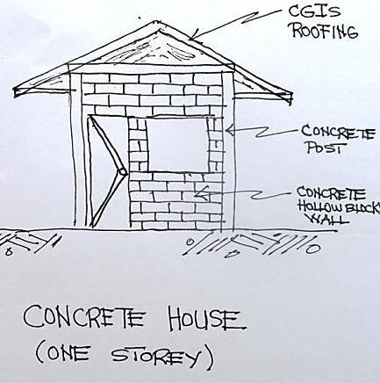 |  | 1. Collapsed totally | Totally
 |  |  |  | 2. Tilting sideways (right or left) | major
 |  |  |  | 3.Concrete columns /beams/ damaged/bent/cracks/tilt | major
 |  |  |  | 4. Concrete Hollow Block work/collapsed/tilt/cracks | major
 |  |  |  | 5. Ceiling damaged/missing | partially
 |  |  |  | 6. Roof damaged/missing | major
 |  |  |  | 7. Doors and windows damaged | partially
 |  |  |  | 8. Floor Slab / broken/cracks/split | partially
 |  |  |  | 9. Plaster/damaged/cracks/split | partially
5 | Timber and Concrete House (two Storey) | 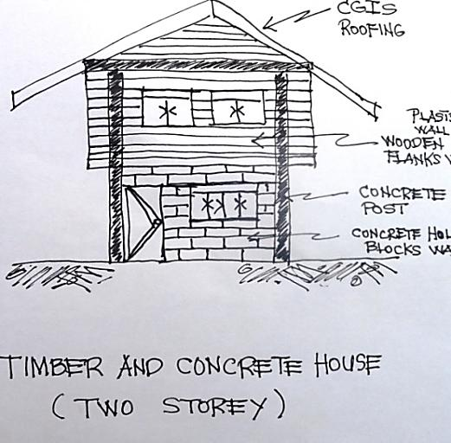 |  | 1. Collapsed totally | Totally
 |  |  |  | 2. Tilting sideways (right or left) | major
 |  |  |  | 3.Concrete/Timber columns /beams/ damaged/bent/cracks/tilt | major
 |  |  |  | 4. Concrete Hollow Block work/collapsed/tilt/cracks | major
 |  |  |  | 5. Ceiling damaged/missing | partially
 |  |  |  | 6. Roof damaged/missing | major
 |  |  |  | 7. Doors and windows damaged | partially
 |  |  |  | 8. Floor Slab / broken/cracks/split | partially
 |  |  |  | 9. Plaster/damaged/cracks/split | partially
 |  |  |  | 10. First Floor Failed /Collapsed | major
6 | Concrete House Two Storey | 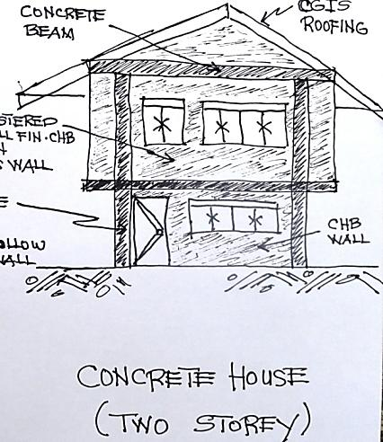 |  | 1. Collapsed totally | Totally
 |  |  |  | 2. Building Tilting sideways (right or left) | major
 |  |  |  | 3.Concrete/Timber columns /beams/ damaged/bent/cracks/tilt | major
 |  |  |  | 4. Concrete Hollow Block work/collapsed/tilt/cracks | major
 |  |  |  | 5. Ceiling collapsed (inside) | partially
 |  |  |  | 6. Roof damaged/missing | major
 |  |  |  | 7. Doors and windows damaged | partially
 |  |  |  | 8. Floor Slab / broken/cracks/split | partially
 |  |  |  | 9. Plaster/damaged/cracks/split | partially
 |  |  |  | 10. First Floor Failed /Collapsed | major
 |  | Select worse damage category (i.e. floor slab broken = partial & roof missing = major, then worsecase = major)
 | Damage Category | none - no damage | partially damaged | major damage | collapsed - totally

